Cover
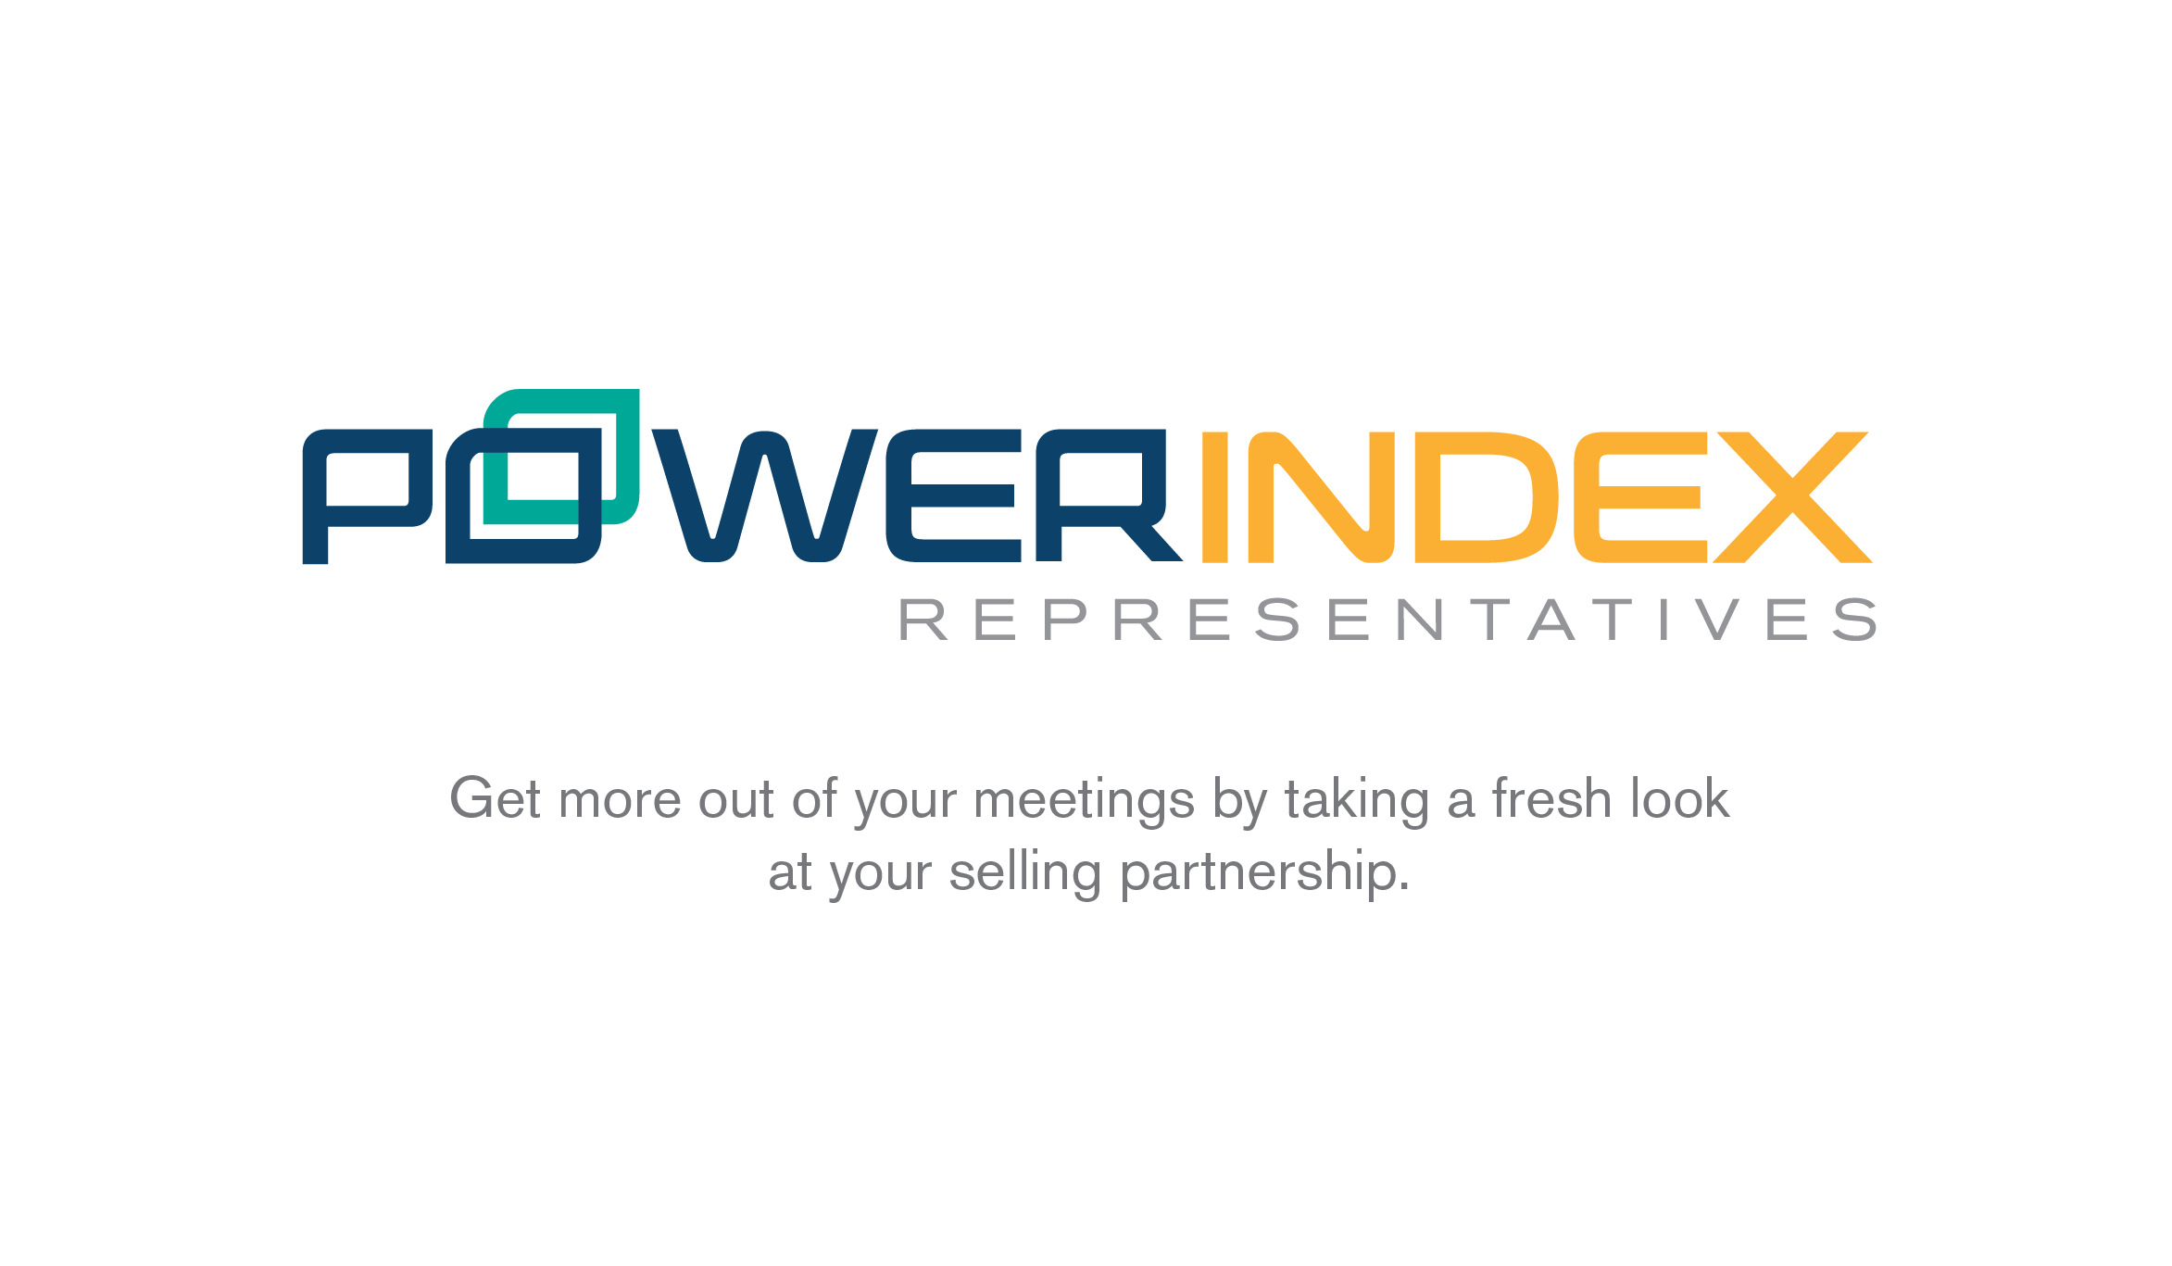

Instructions
General Instructions
The purpose of this tool is to help you better understand the overall strength of your firm's relationship with your manufacturing partners, and to provide guidance toward optimizing the relationship. Your relationship with every manufacturer is different, so the questions should be answered with a specific manufacturer in mind. Please follow the instructions below:

Completing the Questionnaire
1) Click on 'Questionnaire' tab at the bottom to begin

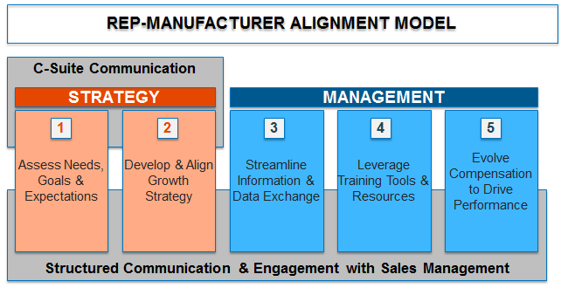 2) Each question corresponds to a specific area of the Rep-Manufacturer Alignment Model: Strategy, Management, and Communication
3) For each question, please indicate your response by choosing values 1 through 5 under the Score heading. These values correspond to the key below:
SCORE KEY 1 - Not at all / Never 2- 3- Somewhat / Occasionally 4- 5- Completely / Frequently
4) Complete the questionnaire by answering all questions

Viewing your Results
5) Once all questions have been answered, view your results by clicking on the Output tab at the bottom. Results will not be displayed until all questions have a response.
6) Your overall relationship score (1 = weak, 5 = strong) will be displayed at the top of the sheet, with a high-level assessment regarding the overall relationship / approach
7) If you scroll down, you can see your score broken down by each key section of the Rep-Manufacturer Alignment Model, with specific opportunity focus areas defined

Output
 | Cumulative Score Output
 | Scoring Not Complete

Strategy

 | Assess Needs, Goals & Expecations |  | Score | #DIV/0!
 |  | Opportunity Focus Areas

 |  | • Access and collaborate with manufacturer stakeholders beyond the first/second line sales managers
 |  | • Establish and define internal processes and coordinate your strategy with your primary point of contact
 |  | • Set a meeting to confirm understanding of what the manufacturer needs from your organization

 | Develop & Align Market Growth Strategy |  | Score | #DIV/0!
 |  | Opportunity Focus Areas
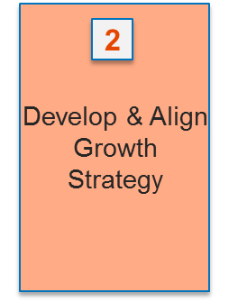
 |  | • Proactively develop a data-driven strategy
 |  | • Prepare for and coordinate joint planning session with the manufacturer
 |  | • Propose and execute an action plan to ensure that you and the manufacturer can fully support joint planning actions
 |  | • Measure your progress toward strategic goals and share progress with the manufacturer. Schedule strategy review meeting if necessary

 | Develop & Align Firm Viability Strategy |  | Score | #DIV/0!
 |  | Opportunity Focus Areas

 |  | • Develop a formal succession plan (e.g., timeline, identified successor, key milestones) & communicate with manufacturer
 |  | • Develop and disseminate targeted objectives as part of an ongoing talent development process
 |  | • Provide direction to your sellers on where they should be spending their time
 |  | • Schedule time to review/refine long-term business plan (3-5 year) annually or semi-annually

Management

 | Streamline Information & Data Exchange |  | Score | #DIV/0!
 |  | Opportunity Focus Areas

 |  | • Review key business management needs to assess, confirm, and implement appropriate CRM tool and usage
 |  | • Review technology available from the manufacturer to help your team be more effective
 |  | • Build the appropriate data analysis capabilities to better understand business trends and areas of opportunity

 | Leverage Training Tools & Resources |  | Score | #DIV/0!
 |  | Opportunity Focus Areas

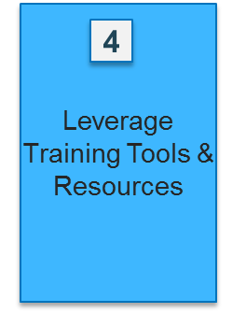
 |  | • Review available sales training relevent to your needs and schedule (at least on an annual basis)
 |  | • Codify a comprehensive new-hire onboarding program beyond product training & ride-withs
 |  | • Engage the manufacturer on training requirements & hold your team accountable for participating in manufacturer led training

 | Evolve Compensation to Drive Performance |  | Score | #DIV/0!
 |  | Opportunity Focus Areas

 |  | • Consider compensation improvement options to better motivate your firm, & engage the manufacturer to discuss alternatives if necessary
 |  | • Consider ways to align your team's compensation with goal attainment & sale complexity (more complex/valuable sales often yield greater compensation)
 |  | • Develop a good understanding of the margins & costs associated with various types of sales
 |  | • Identify improvement areas & develop an action plan to attract & retain top sales talent
 |  | • Determine profitability of manufacturer product lines relative to your portfolio by conducting annual analyses

Communication

 | C-suite Communication |  | Score | #DIV/0!
 |  | Opportunity Focus Areas

 |  | • Identify key executive stakeholders that you can engage to discuss strategic objectives
 |  | • Provide ideas to sales leadership regarding methods / mediums / formats for executive engagement
 |  | • Share your key objectives, strategies, and successes with executive leadership in order to demonstrate the value that you bring the the manufacturer
 |  | • Develop a relationship with manufacturer leadereshipsuch that your firm is viewed as an extension of their own sales organization

 | Structured Communication with Sales Management |  | Score | #DIV/0!
 |  | Opportunity Focus Areas

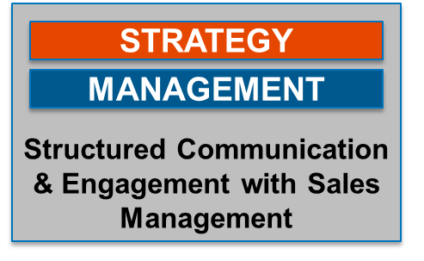
 |  | • Determine process to regularly share data and customer information with the manufacturer
 |  | • Establish regular meetings to review sales objectives, progress to goal, and upcoming opportunities
 |  | • Develop process to ensure joint calls are focused and achieve pre-defined objectives
 |  | • Develop processes to actively share what your firm is experiencing in the market (e.g., competitive info., local trends)

